DH
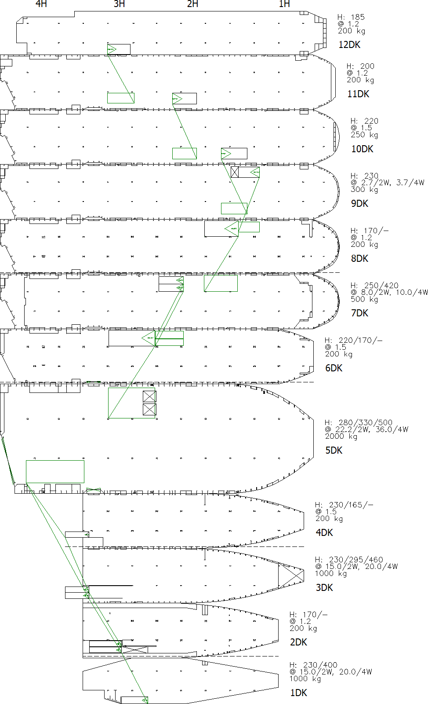
Vessel Name : IVORY ARROW
LD:HIN => MNX

DP:TEA => JAX => BAL

